Cover Sheet
BUSA2020 Assignment 1: Excel

Cover Sheet
Name: Van Trang Nguyen
Student ID: 47772174
Allocated LGA: Sutherland
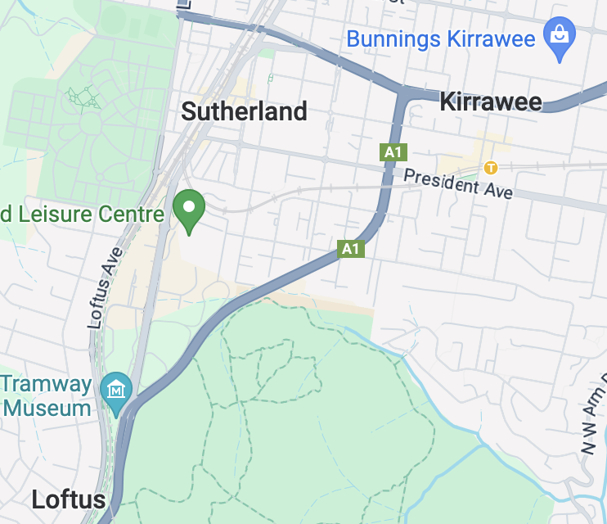

Advantages

Content:
1. Cover Sheet
2. Advantages - Question 1
3. Disadvantages - Question 2
4. Recommendation - Question 3
5. Reflection - Question 4
6. Notes
Disadvantages

Recommendation

Reflection

Notes

Advantages
Median House Price Sutherland 1992-2017: Advantages
Median House Price in Sutherland (1992-2017)
 | Sutherland
Mar-92 | 381.5
Mar-93 | 331.6
Mar-94 | 349.1
Mar-95 | 399.6
Mar-96 | 364.9
Mar-97 | 393.6
Mar-98 | 462.4
Mar-99 | 507.7
Mar-00 | 538.3
Mar-01 | 541.6
Mar-02 | 608.5
Mar-03 | 685.5
Mar-04 | 736.0
Mar-05 | 693.1
Mar-06 | 628.5
Mar-07 | 627.6
Mar-08 | 628.6
Mar-09 | 565.5
Mar-10 | 689.8
Mar-11 | 634.7
Mar-12 | 699.7
Mar-13 | 677.3
Mar-14 | 729.4
Mar-15 | 871.3
Mar-16 | 911.3
Mar-17 | 1030.0
Non-strata Dwellings Growth Rate Suburbs Comparison
Wyong | 99.64
Sutherland | 232.8
Campbelltown | 118.53
Camden | 144.35
Blue Mountains | 119.34
Gosford | 131.38
Cover Sheet
232%

Increase in Sutherland's median house price for Non-strata dwellings over the past 25 years
Advantages

Disadvantages

Median Non-strata Dwellings Price Suburbs Comparison
 | Camden | Holroyd | Sutherland | Wollondilly
Mar-92 | 377.82 | 377.82 | 409.46 | 368.52
Mar-93 | 207.07 | 333.25 | 363.99 | 216.78
Mar-94 | 246.72 | 402.07 | 402.07 | 233.93
Mar-95 | 271.68 | 289.20 | 439.94 | 233.12
Mar-96 | 266.12 | 271.14 | 413.40 | 229.29
Mar-97 | 269.57 | 267.91 | 451.48 | 244.76
Mar-98 | 275.77 | 333.57 | 531.73 | 280.73
Mar-99 | 318.93 | 364.49 | 598.81 | 273.37
Mar-00 | 370.47 | 395.80 | 617.45 | 318.23
Mar-01 | 364.55 | 383.90 | 617.51 | 327.35
Mar-02 | 453.87 | 463.99 | 693.82 | 390.27
Mar-03 | 528.46 | 546.69 | 818.63 | 470.99
Mar-04 | 557.19 | 609.47 | 901.13 | 565.44
Mar-05 | 539.68 | 562.56 | 804.81 | 475.08
Mar-06 | 494.96 | 510.67 | 759.46 | 493.65
Mar-07 | 480.29 | 477.73 | 749.26 | 544.33
Mar-08 | 484.40 | 502.88 | 776.51 | 480.70
Mar-09 | 469.26 | 493.33 | 702.69 | 437.98
Mar-10 | 526.10 | 547.15 | 835.92 | 498.04
Mar-11 | 497.56 | 544.03 | 797.91 | 419.36
Mar-12 | 506.92 | 545.92 | 824.44 | 473.50
Mar-13 | 525.61 | 568.96 | 807.39 | 479.01
Mar-14 | 558.61 | 661.90 | 909.58 | 567.04
Mar-15 | 650.37 | 788.33 | 1049.73 | 627.55
Mar-16 | 719.82 | 790.47 | 1136.55 | 686.03
Mar-17 | 740.00 | 880.00 | 1270.00 | 759.00
The benefits of investing in Sutherland are:
(1) The median house price for Non-strata dwellings in Sutherland showed an upward trend over the period shown, increasing by nearly 233% (2.3 times) during the period.
(2) In comparison with neighbouring suburbs in the Outer Ring, the sales amount in Sutherland for non-strata was always the highest in volume and growth.
(3) Particularly, there is an impressive growth of 233% in the growth rate of investment in Non-strata dwelling type in Sutherland from 1992 to 2017.
Recommendation

Reflection

Data Tables

Disadvantages
Median House Price Sutherland 1992-2017: Disadvantages
Market Voltatility Regions Comparison
 | Non Strata | Strata
Outer Ring | 149 | 115
Campbelltown | 119 | 102
Sutherland | 233 | 162
Wyong | 100 | 81
num
32%
The disadvantages of investing in Sutherland are:
(1) The median house price of all dwellings in Sutherland was likely to remain stably from 1992 to 2017. This could be a disadvantage for customers who want to gain a certain amount of profit, as investing in other suburbs can be a more ideal option.
(2) On the other hand, the median house price volatility (standard deviation measurement) of Sutherland was 32% higher than that of the Outer Ring. This might be the root cause of the fluctuation in the market of non-strata dwellings, which was relatively higher than other neighbouring suburbs.

Cover Sheet
Higher volatility in Sutherland Median House Prices of all dwellings from 1992 to 2017 compared to Outer Ring

Advantages

Disadvantages
table+
Market Volatility
Sutherland & Outer Ring

Median House Price in Sutherland by Dwelling Types
 | All Dwellings | Non-Strata Dwellings
Mar-92 | 381.5 | 409.46
Mar-93 | 331.6 | 363.99
Mar-94 | 349.1 | 402.07
Mar-95 | 399.6 | 439.94
Mar-96 | 364.9 | 413.40
Mar-97 | 393.6 | 451.48
Mar-98 | 462.4 | 531.73
Mar-99 | 507.7 | 598.81
Mar-00 | 538.3 | 617.45
Mar-01 | 541.6 | 617.51
Mar-02 | 608.5 | 693.82
Mar-03 | 685.5 | 818.63
Mar-04 | 736.0 | 901.13
Mar-05 | 693.1 | 804.81
Mar-06 | 628.5 | 759.46
Mar-07 | 627.6 | 749.26
Mar-08 | 628.6 | 776.51
Mar-09 | 565.5 | 702.69
Mar-10 | 689.8 | 835.92
Mar-11 | 634.7 | 797.91
Mar-12 | 699.7 | 824.44
Mar-13 | 677.3 | 807.39
Mar-14 | 729.4 | 909.58
Mar-15 | 871.3 | 1049.73
Mar-16 | 911.3 | 1136.55
Mar-17 | 1030.0 | 1270.00
Recommendation
Sutherland
Outer Ring

All Dwellings
178
135
Reflection
Non-strata Dwellings

233
149
Data Tables
Strata Dwellings
162
115

Recommendation
Recommendation

Cover Sheet

Advantages
Based on the information given, regarding investment to gain a good profit, investing in Sutherland's dwellings is a great idea. The house sales statistic of this surburb has shown a consistent upward trend in the sales (1992-2017). Despite the evidence of market volatility, its growth was remarkably higher than other suburbs in the Outer Ring, especially for non-strata dwellings. This can be a good way for investors to attain a great capital gain

Disadvantages

Recommendation



Reflection

Data Tables

Reflection
Median House Price Sutherland 6/2021: Reflection
Median House Prices by Surburbs comparison (2021)
 | All Dwellings | Non-strata Dwellings | Strata Dwellings
Outer Ring | 811.91 | 904.20 | 619.89
Blue Mountains | 741.07 | 750.39 | 517.35
Camden | 797.00 | 806.32 | 483.79
Campbelltown | 649.72 | 680.48 | 444.64
Sutherland | 1118.59 | 1491.46 | 745.73
Wollondily | 820.30 | 834.28 | 458.62
Overall, the trends in Q3 2021 nearly showed the same trend with observations from 1992 to 2017. The price of all dwellings in Sutherland showed a 8.6% growth while there was a 17.5% increase in the price for Non-strata dwellings, guaranteeing increased values for investors. The median house price in Sutherland for all dwelling types remained to be the highest among neighbouring suburbs and Outer Ring, as shown in the bar chart. Particularly, the price for Non-strata Dwellings in Sutherland outstripped that of other suburbs. Therefore, investing in Sutherland, especially in non-strata dwellings, was a good decision.

Cover Sheet

Advantages

Disadvantages

Median House Prices by Dwelling Type in Sutherland: 2017 and 2021
 | 2017 | 2021
All Dwellings | 1030 | 1118.59
Non-strata Dwellings | 1270 | 1491.46
Strata Dwellings | 748 | 745.73
Recommendation
Price Growth Rate by Dwelling Types in Sutherland (2017-2021)
All Dwellings | 8.60
Non-strata Dwellings | 17.44
Strata Dwellings | -0.30

Reflection

Data Tables

